Spearman's
Password: 1999
Patients | A | B | A Rank | B Rank | d | d2
1 | 97.00 | 210.00 | 12 | 10 | 2 | 4
2 | 96.00 | 230.00 | 11 | 12 | -1 | 1
Patient A & B
3 | 94.00 | 198.00 | 10 | 4 | 6 | 36
4 | 91.00 | 204.00 | 9 | 8 | 1 | 1
5 | 90.00 | 213.00 | 8 | 11 | -3 | 9
$$Γ=\frac{1−6Σⅆ^{2}}{n^{3}−n}$$
6 | 87.00 | 206.00 | 7 | 9 | -2 | 4
7 | 86.00 | 200.00 | 6 | 6 | 0 | 0
8 | 83.00 | 186.00 | 5 | 1 | 4 | 16
9 | 82.00 | 192.00 | 4 | 3 | 1 | 1
10 | 80.00 | 202.00 | 3 | 7 | -4 | 16
11 | 77.00 | 191.00 | 2 | 2 | 0 | 0
12 | 71.00 | 199.00 | 1 | 5 | -4 | 16
 |  |  |  |  |  |  |  | Decide if your Test is? |  | Ʃd2 | 104
 |  |  |  |  |  |  | One Tailed | One Tailed |  | 6Ʃd2 | 624
 |  |  |  |  |  |  | Two tailed
 |  |  |  |  |  |  |  | Level of Significane
 |  |  |  |  |  |  | 0.1 | 0.05 |  | n = | 12
 |  |  |  |  |  |  | 0.01 |  |  | n3 - n | 1716
 |  |  |  |  |  |  |  |  | 1 - what you get
 |  |  |  |  |  |  | 0.05 |  |  | r = | 0.636
 |  |  |  |  |  |  | 0.005 |  |  | R2 = | 0.405
 |  |  |  |  |  |  | 0.025
After deciding if the test is one or two tailed with Level of significance and getting the r Value , Next step is to check the Critical Value using N, tailed test and Level of significance to to know if the data is significant . To be significant the critical Values of Spearmans r, must be equal to or more than the "stated" Value to be significant.

Pearsons
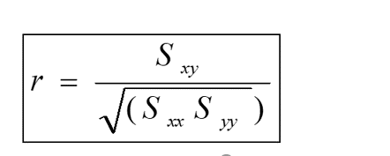
Normal ( X ) | Hpervent ( Y ) | X2 | y2 | X - mean | Y - mean | SP | SSx | SSy | mean X | 151.7
56 | 87 | 3136 | 7569 | -95.7 | -226.4 | 21666.48 | 9158.49 | 51256.96 | mean y | 313.4
56 | 91 | 3136 | 8281 | -95.7 | -222.4 | 21283.68 | 9158.49 | 49461.76
65 | 85 | 4225 | 7225 | -86.7 | -228.4 | 19802.28 | 7516.89 | 52166.56 | Sum SP | 2079632.2
65 | 91 | 4225 | 8281 | -86.7 | -222.4 | 19282.08 | 7516.89 | 49461.76 | Sum SSx | 867604.1
50 | 75 | 2500 | 5625 | -101.7 | -238.4 | 24245.28 | 10342.89 | 56834.56 | Sum Ssy | 4987934.4
25 | 28 | 625 | 784 | -126.7 | -285.4 | 36160.18 | 16052.89 | 81453.16
87 | 122 | 7569 | 14884 | -64.7 | -191.4 | 12383.58 | 4186.09 | 36633.96
44 | 66 | 1936 | 4356 | -107.7 | -247.4 | 26644.98 | 11599.29 | 61206.76 | r = | 0.9996900483
35 | 58 | 1225 | 3364 | -116.7 | -255.4 | 29805.18 | 13618.89 | 65229.16
1034.00 | 2431.00 | 1069156 | 5909761 | 882.3 | 2117.6 | 1868358.48 | 778453.29 | 4484229.76

Test of Population Proportion
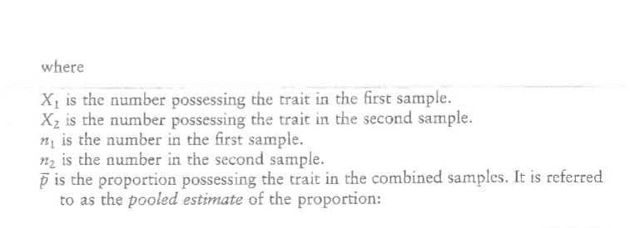
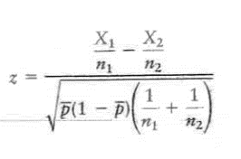
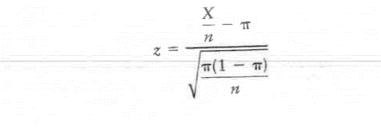  TEST OF POPULATION PROPORTION
 |  |  |  |  |  |  |  |  |  | 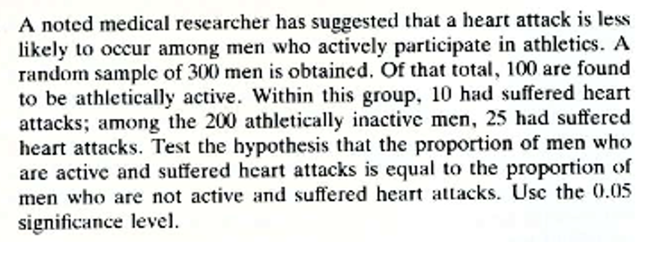
 |  |  |  |  |  | Test of Two Proportiton

$$\frac{x}{n}−π$$
 | X | 60 |  | -0.05
 | n | 400
 | π | 0.2
 |  |  | (1 - π) | 0.8
 |  |  | π(1 - π) | 0.16
 |  |  |  |  |  | X1 | 10
$\sqrt{\frac{π\left(1−π\right)}{n}}$ =
 |  |  |  |  |  | X2 | 25 |  |  | X1/n1 | 0.1
 |  |  |  |  | 0.02 | n1 | 100 | X1 + X2 | 35 | X2/n2 | 0.125
 |  |  |  |  |  | n2 | 200 | N1 + N2 | 300
$$\frac{x_{1}}{n_{1}}−\frac{x_{2}}{n_{2}}$$
 |  |  |  |  |  |  |  |  |  |  | -0.025
 |  |  |  |  | -2.5 | 𝑝 ̅ | 0.11666666667
 |  |  |  |  |  |  |  |  |  | (1 - 𝑝 ̅ ) | 0.88333333333 |  | 1/n1 | 0.01
 |  |  |  |  |  |  |  |  |  | 𝑝 ̅(1 - 𝑝 ̅ ) | 0.10305555556 |  | 1/n2 | 0.005

 |  |  |  |  |  |  |  |  |  | 1/n1 + 1/n2 |  | 0.015

 |  |  |  |  |  |  |  |  |  |  |  | 0.03931708704

 |  |  |  |  |  |  |  |  |  |  |  | Z = | -0.6358558551

chi square
 |  |  | SIMPLE CHI SQUARE CALCULATOR |  |  |  |  | Confidence Level | 90% | 95% | 99% | 99.90%
GIVEN THE FOLLOWING DATA |  |  |  |  |  |  |  | One tailed | 0.05 | 0.025 | 0.005 | 0.0005
 |  | Observed value |  |  |  |  |  | Two tailed | 0.1 | 0.05 | 0.01 | 0.001
$$\frac{{\left|O−E\right|}^{2}}{E}$$
 |  | Oppose | Against | total |  | I O−E I2 |  | Deg of Freedom
$$\left|0−E\right|$$
 | Male | 190 | 150 | 340 |  |  |  | 1 | 2.706 | 3.841 | 6.635 | 10.828
 | Female | 150 | 75 | 225 |  |  |  | 2 | 4.605 | 5.991 | 9.210 | 13.816
 | total | 340 | 225 | 565 | -14.601769912 | 213.21168455 | 1.0420813302 | 3 | 6.251 | 7.815 | 11.345 | 16.266
 |  |  |  |  | 14.601769912 | 213.21168455 | 1.5747006767
 |  |  |  |  | 14.601769912 | 213.21168455 | 1.5747006767
 |  |  |  |  | -14.601769912 | 213.21168455 | 2.3795476893
 |  |  |  |  | Chi Value = | 6.571
Expected |  |  |  |  | Determine if its [One/Two Tailed Test ]
 |  | Oppose | Agaisnt | total | One tailed
 | Male | 204.60176991 | 135.39823009 | 340
 | Female | 135.39823009 | 89.601769912 | 225 | Choose below
 | total | 340 | 225 | 565
 |  |  |  |  | Significance level for 1 Tailed | 0.0005
 |  |  |  | One tailed | Significance level for 2 Tailed
 |  |  |  | Two tailed
 |  |  |  |  | No of Rows | 2
 |  |  |  |  | No of Columns | 2
 |  |  |  |  | DF = | 1
 |  |  |  |  |  | 5
 |  |  |  |  | Critical Value | 10.828

 |  |  |  |  | DECISION

 |  |  |  |  | Stick With Null Hypothesis

Complex chi square
 |  |  |  |  |  |  |  |  |  |  |  |  |  |  | Level of Significance for one tailed test
Complex chi square |  |  |  |  |  |  |  |  |  |  |  |  |  | One tailed | 0.05 | 0.025 | 0.005 | 0.0005
Observed Value |  |  |  |  |  |  |  |  |  |  |  |  |  |  | Level of Significance for Two tailed test
 | A | B | C | D | E | F | G | H | I | J | Total |  | CHI VALUE | Two Tailed | 0.1 | 0.05 | 0.01 | 0.001
1 | 190 | 155 | 55 |  |  |  |  |  |  |  | 400 |  | 8.926 | df
2 | 240 | 290 | 70 |  |  |  |  |  |  |  | 600 |  |  | 1 | 2.706 | 3.841 | 6.635 | 10.828
3 |  |  |  |  |  |  |  |  |  |  | 0 | Determine if its One/Two Tailed Test | One tailed | 2 | 4.605 | 5.991 | 9.210 | 13.816
4 |  |  |  |  |  |  |  |  |  |  | 0 |  |  | 3 | 6.251 | 7.815 | 11.345 | 16.266
5 |  |  |  |  |  |  |  |  |  |  | 0 |  |  | 4 | 7.779 | 9.488 | 13.277 | 18.467
6 |  |  |  |  |  |  |  |  |  |  | 0 |  | Level of Significance | 5 | 9.236 | 11.070 | 15.086 | 20.515
7 |  |  |  |  |  |  |  |  |  |  | 0 | One tailed | 0.025 | 6 | 10.645 | 12.592 | 16.812 | 22.458
8 |  |  |  |  |  |  |  |  |  |  | 0 | Two Tailed |  | 7 | 12.017 | 14.067 | 18.475 | 24.322
9 |  |  |  |  |  |  |  |  |  |  | 0 |  |  | 8 | 13.362 | 15.507 | 20.090 | 26.124
10 |  |  |  |  |  |  |  |  |  |  | 0 | No of Rows | 3 | 9 | 14.684 | 16.919 | 21.666 | 27.877
Total | 430 | 445 | 125 | 0 | 0 | 0 | 0 | 0 | 0 | 0 | 1000 | No of Columns | 2 | 10 | 15.987 | 18.307 | 23.209 | 29.588
 |  |  |  |  |  |  |  |  |  |  |  | DF = | 1 | 11 | 17.275 | 19.675 | 24.725 | 31.264
 |  |  |  |  |  |  |  |  |  |  |  |  |  | 12 | 18.549 | 21.026 | 26.217 | 32.909
Expected |  |  |  |  |  |  |  |  |  |  |  | Critical Value = | 3.841 | 13 | 19.812 | 22.362 | 27.688 | 34.528
 | A | B | C | D | E | F | G | H | I | J | Total | 3 | Significant | 14 | 21.064 | 23.685 | 29.141 | 36.123
1 | 172 | 178 | 50 | 0 | 0 | 0 | 0 | 0 | 0 | 0 | 400 |  |  | 15 | 22.307 | 24.996 | 30.578 | 37.697
2 | 258 | 267 | 75 | 0 | 0 | 0 | 0 | 0 | 0 | 0 | 600 | DECISION |  | 16 | 23.542 | 26.296 | 32.000 | 39.252
3 | 0 | 0 | 0 | 0 | 0 | 0 | 0 | 0 | 0 | 0 | 0 |  |  | 17 | 24.769 | 27.587 | 33.409 | 40.790
4 |  | 0 | 0 | 0 | 0 | 0 | 0 | 0 | 0 | 0 | 0 | Reject Null & Accept Alternative |  | 18 | 25.989 | 28.869 | 34.805 | 42.312
5 | 0 | 0 | 0 | 0 | 0 | 0 | 0 | 0 | 0 | 0 | 0 |  |  | 19 | 27.204 | 30.144 | 36.191 | 43.820
6 | 0 | 0 | 0 | 0 | 0 | 0 | 0 | 0 | 0 | 0 | 0 |  |  | 20 | 28.412 | 31.410 | 37.566 | 45.315
7 | 0 | 0 | 0 | 0 | 0 | 0 | 0 | 0 | 0 | 0 | 0
8 | 0 | 0 | 0 | 0 | 0 | 0 | 0 | 0 | 0 | 0 | 0
9 | 0 | 0 | 0 | 0 | 0 | 0 | 0 | 0 | 0 | 0 | 0
10 | 0 | 0 | 0 | 0 | 0 | 0 | 0 | 0 | 0 | 0 | 0
Total | 430 | 445 | 125 | 0 | 0 | 0 | 0 | 0 | 0 | 0 | 1000

 | |𝑶−𝑬|^𝟐/𝑬
 | A | B | C | D | E | F | G | H | I | J | Total
1 | 1.8837209302 | 2.9719101124 | 0.5 |  |  |  |  |  |  |  | 5.3556310426
2 | 1.2558139535 | 1.9812734082 | 0.33333333333 |  |  |  |  |  |  |  | 3.5704206951
3 |  |  |  |  |  |  |  |  |  |  | 0
4 |  |  |  |  |  |  |  |  |  |  | 0
5 |  |  |  |  |  |  |  |  |  |  | 0
6 |  |  |  |  |  |  |  |  |  |  | 0
7 |  |  |  |  |  |  |  |  |  |  | 0
8 |  |  |  |  |  |  |  |  |  |  | 0
9 |  |  |  |  |  |  |  |  |  |  | 0
10 |  |  |  |  |  |  |  |  |  |  | 0
Total |  |  |  |  |  |  |  |  |  |  | 8.9260517377

